Sheet1
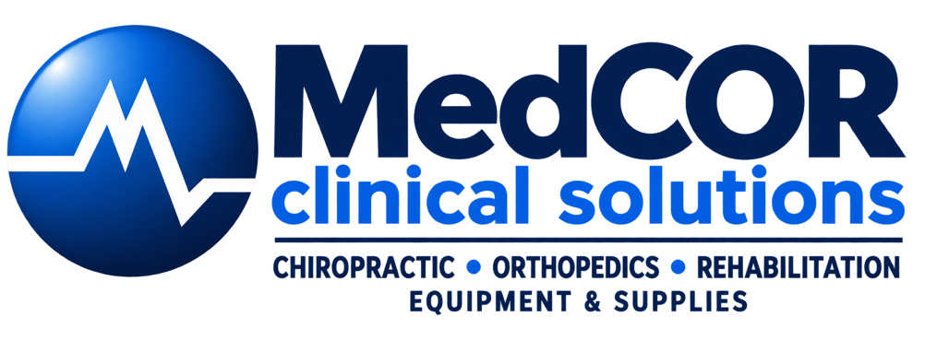
Equipment Cost
Product | Equipment Price | QTY | Interest Rate | Months of Loan | Est. Monthly Finance
Chattanooga F-SW | $50,176.02 | 1 | 7.25% | 72 | $861.49
Chattanooga RPW2 | $18,775.52 | 1 | 7.25% | 72 | $322.36
Medray SoftShock 2.0 | $21,995.00 | 1 | 7.25% | 72 | $377.64
Medray QuantumX 45W Laser | $24,995.00 | 1 | 7.25% | 72 | $429.15
Medray Quad 30W Laser | $15,995.00 | 1 | 7.25% | 72 | $274.62
Portland Health Supply R-SW | $12,000.00 | 1 | 7.25% | 72 | $206.03
Portland Health Supply 30W Laser | $12,000.00 | 1 | 7.25% | 72 | $206.03

Total: | $155,936.54 |  |  |  | $2,677.32

Est. ROI Projection
Select Instrument To View: | Visits/Week | Treatment Cost | Adoption Rate | Treatments/Week | Revenue/Month | Net/Month | Annual Revenue | Annual Profit
Chattanooga F-SW | 100 | $100.00 | 5% | 5 | $2,000.00 | $1,138.51 | $24,000.00 | $13,662.15
 |  |  | 10% | 10 | $4,000.00 | $3,138.51 | $48,000.00 | $37,662.15
 |  |  | 30% | 30 | $12,000.00 | $11,138.51 | $144,000.00 | $133,662.15

